plot
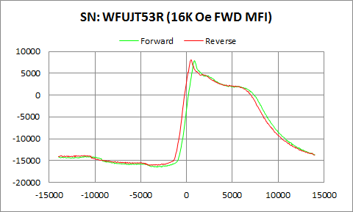

WFUJT53R | Forward |  | Reverse
 | Ampl | Field | Ampl | Field
50% Roll-off Field | -4307.288 | 8581.2466533 | -4001.2995 | 8136.4460218
P1 Switching Field | -14045.73 | -10549.68 | -13801.8 | -11200.55

Others | 0.095005340036 | 0.1023893347

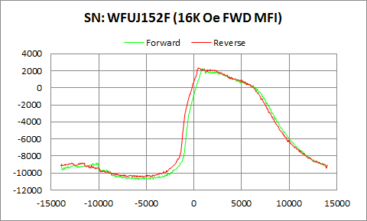

WFUJ152F | Forward |  | Reverse
 | Ampl | Field | Ampl | Field
50% Roll-off Field | -4252.9775 | 8918.0087249 | -4065.393 | 8526.6436455
P1 Switching Field | -8810.447 | -10250.48 | -8796.036 | -11749.08

Others | 0.12855147637 | 0.1534813581

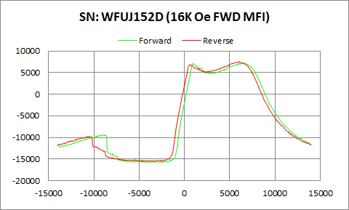

WFUJ152D | Forward |  | Reverse
 | Ampl | Field | Ampl | Field
50% Roll-off Field | -4275.7355 | 9973.4902546 | -4001.036 | 9547.8500199
P1 Switching Field | -9351.87 | -8848.992 | -9722.629 | -10649.41

Others | 0.25465930278 | 0.27779676735

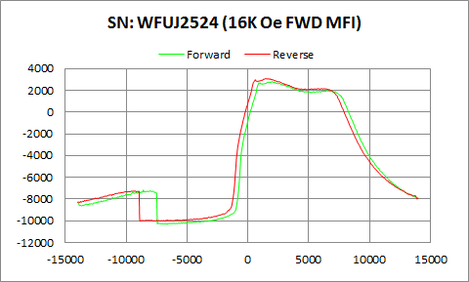

WFUJ2524 | Forward |  | Reverse
 | Ampl | Field | Ampl | Field
50% Roll-off Field | -3747.754 | 9818.3041741 | -3478.2025 | 9358.0028384
P1 Switching Field | -7161.809 | -8599.663 | -7257.358 | -9250.542

Others | 0.21150095297 | 0.23997132982

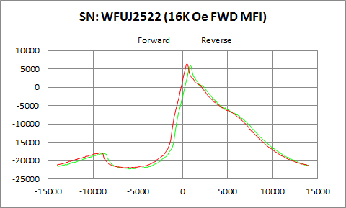

WFUJ2522 | Forward |  | Reverse
 | Ampl | Field | Ampl | Field
50% Roll-off Field | -8208.0685 | 6399.5382416 | -7812.2835 | 5973.8347558
P1 Switching Field | -18005.49 | -8799.126 | -17836.89 | -9300.408

Others | 0.14815211152 | 0.15151592494

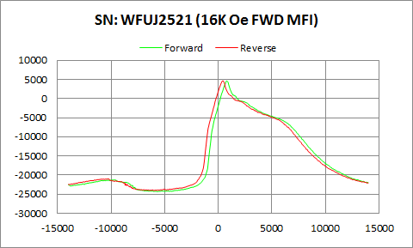

WFUJ2521 | Forward |  | Reverse
 | Ampl | Field | Ampl | Field
50% Roll-off Field | -9857.808 | 7611.0067878 | -9712.2445 | 7187.1373327
P1 Switching Field | -21237.5 | -9749.199 | -20956.08 | -10300.35

Others | 0.10682365379 | 0.10733070221

